Sheet1
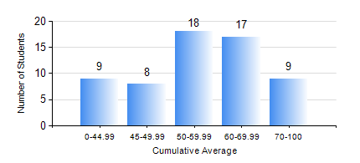
 |  |  | KWAME NKRUMAH UNIVERSITY OF SCIENCE AND TECHNOLOGY, KUMASI Department of Materials Engineering

 |  |  | BSC. METALLURGICAL ENG.

 |  |  | COMPREHENSIVE RECORD OF EXAMINATION RESULTS

 |  |  | RESULTS OF YEAR 1 SECOND SEMESTER, 2024/2025 ACADEMIC YEAR

 | Sn | Course Code |  | Course Name | Credit Hours | Min. Mark | Max. Mark | Avg. Mark | Std. Dev. | No. Passed | No. Trailed | No. (Df) | No. (I) | No. (I*) | No. Tagged(I,I*,Df) | Total
 | 1. | ENGL 158 |  | COMMUNICATION SKILLS II | 2 | 41 | 81 | 60 | 8.2 | 61 | 0 | 0 | 0 | 0 | 0 | 61
 | 2. | GED 162 |  | INTRODUCTORY GEOLOGY | 2 | 32 | 86 | 58 | 13.06 | 59 | 2 | 0 | 0 | 0 | 0 | 61
 | 3. | MATH 152 |  | CALCULUS WITH ANALYSIS | 4 | 40 | 80 | 57 | 9.65 | 61 | 0 | 0 | 0 | 0 | 0 | 61
 | 4. | ME 160 |  | ENGINEERING DRAWING | 2 | 25 | 79 | 54 | 12.72 | 56 | 5 | 0 | 0 | 0 | 0 | 61
 | 5. | ME 162 |  | BASIC MECHANICS | 3 | 32 | 92 | 69 | 17.96 | 58 | 3 | 0 | 0 | 0 | 0 | 61
 | 6. | METE 152 |  | CHEMISTRY FOR METALLURGICAL ENGINEERS | 2 | 29 | 91 | 61 | 15.55 | 57 | 4 | 0 | 0 | 0 | 0 | 61
 | 7. | METE 154 |  | ENVIRONMENTAL SCIENCE | 2 | 13 | 79 | 62 | 11.67 | 60 | 1 | 0 | 0 | 0 | 0 | 61
 | 8. | MSE 154 |  | OPTICAL AND THERMAL BEHAVIOUR OF MATERIALS | 2 | 18 | 90 | 57 | 16.61 | 55 | 6 | 0 | 0 | 0 | 0 | 61

